Sheet1
Assignment1 | Sort the employee table by first name of the employee.

Command

 | place your query

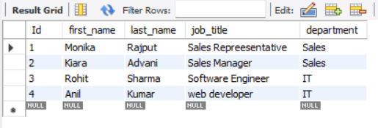
Output

Output

Query

Result

Assignment2 | Sort the employee table by firstname and
 | lastname of the employee.

Query

Result

Assignment3 | Select both productname and unitprice from
 | products table in descending order.

Command

Command

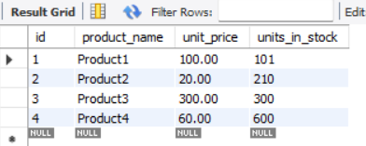
Result

Command

Result

Query

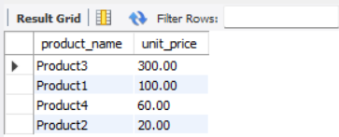
Result

Assignment4 | Display product name, unit price, and a 20% increase in the unit price
 | for only those products for which the percentage increase in unit price is
 | greater than 30 and in descending order of the increased price.

Query

Result

Assignment5 | Display number of employees with "Sales
 | Representative" title.

Query

Result

Assignment6 | Display total number of employees in all the
 | department.

Query

Result

Assignment7 | Select all distinct titles from employee table.

Query

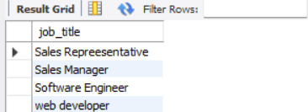
Result

Assignment8 | Get the count of employees with unique title

Query

Result

Assignment9 | Get the most expensive product.

Query

Result

Assignment10 | Get the product with minimum stock.

Query

Result

Assignment11 | Get the average freight price for all the orders
 | shipped to ShipCountry USA

Query

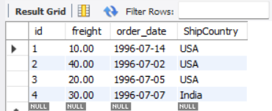
 | Display orders from table
Result

Query

Result

Query

Result

Assignment12 | Get total freight expense in July 1996

Query

Result

